Calculating Trip Cost
 | Step 1: Copy speed, distance/trip, and price data from Input sheet |  |  |  | Step 2: turn all prices into numeric values; removed Spin fees (for services that don't tell us the city fees, they may charge at the very end without telling consumers early on. OR they incorporate it into the per minute charge. so we left out the service fee from Spin.) |  |  |  |  |  |  |  | Step 4: Unit Conversion, see image below for transformation
 |  |  |  |  | Step 3: deleted cities that did not have any prices
City, State | Number of Operators | Average Distance Per Trip | Average Speed (mph) | Average Price Per Minute (Across All Operators in the Cities) | Price for Lime | Price for Bird | Price for Spin | Price for Lyft | Price for Superpedestrian | Price for Veo | Price for Wheels | Spin Service Fee | Average Price/Trip (w/o unlocking fee) | Avg $/Trip w/ unlocking fee
Atlanta,GA | 3 | 1.511 | 5.12 | $0.20 | $0.20 | NA | NA |  |  |  |  |  | $3.54 | $4.54
Austin, TX | 4 | 1.203 | 5.61 | $0.49 | $0.52 | NA |  |  | $0.45 |  | NA |  | $6.24 | $7.24
Boulder, CO | 1 | 1.003 | 5.77 | $0.30 | $0.30 |  |  |  |  |  |  |  | $3.13 | $4.13
Denver, CO | 2 | 1.212 | 5.70 | $0.38 | $0.37 |  |  | $0.39 |  |  |  |  | $4.85 | $5.85
Durham, NC | 5 | 1.435 | 5.74 | $0.39 |  | NA | $0.39 |  |  |  | NA | $0.20 | $5.85 | $6.85
Fayetteville, AR | 2 | 1.723 | 7.29 | $0.29 |  |  | $0.29 |  |  | NA |  | $0.00 | $4.11 | $5.11
Fort Collins, CO | 1 | 1.516 | 6.90 | $0.33 |  |  | $0.33 |  |  |  |  | $0.20 | $4.35 | $5.35
Gainesville, FL | 3 | 1.609 | 7.07 | $0.44 |  | NA | $0.44 |  |  | NA |  | $0.20 | $6.01 | $7.01
Oakland & Berkeley, CA | 6 | 1.089 | 6.73 | $0.41 | $0.40 | NA | $0.39 |  | $0.44 | NA |  | $0.20 | $3.98 | $4.98
Phoenix, AZ | 2 | 1.024 | 3.82 | $0.38 | $0.40 |  | $0.35 |  |  |  |  | $0.20 | $6.03 | $7.03
Portland, OR | 3 | 1.430 | 5.42 | $0.45 | $0.42 | NA | $0.49 |  |  |  |  | $0.20 | $7.20 | $8.20
San Francisco, CA | 3 | 1.440 | 4.88 | $0.50 | $0.49 | NA | $0.50 |  |  |  |  | $0.20 | $8.76 | $9.76
Santa Monica, CA | 3 | 1.628 | 7.02 | $0.42 |  |  | $0.39 |  |  | $0.39 | $0.49 | $0.20 | $5.89 | $6.89
Spokane, WA | 1 | 0.991 | 4.50 | $0.39 | $0.39 |  |  |  |  |  |  |  | $5.15 | $6.15
Tempe, AZ | 4 | 2.128 | 5.85 | $0.39 |  | NA | $0.39 |  |  |  |  | $0.20 | $8.51 | $9.51
Washington DC. | 4 | 1.327 | 4.50 | $0.40 | $0.39 |  | $0.36 | $0.44 |  | NA |  | $0.20 | $7.02 | $8.02

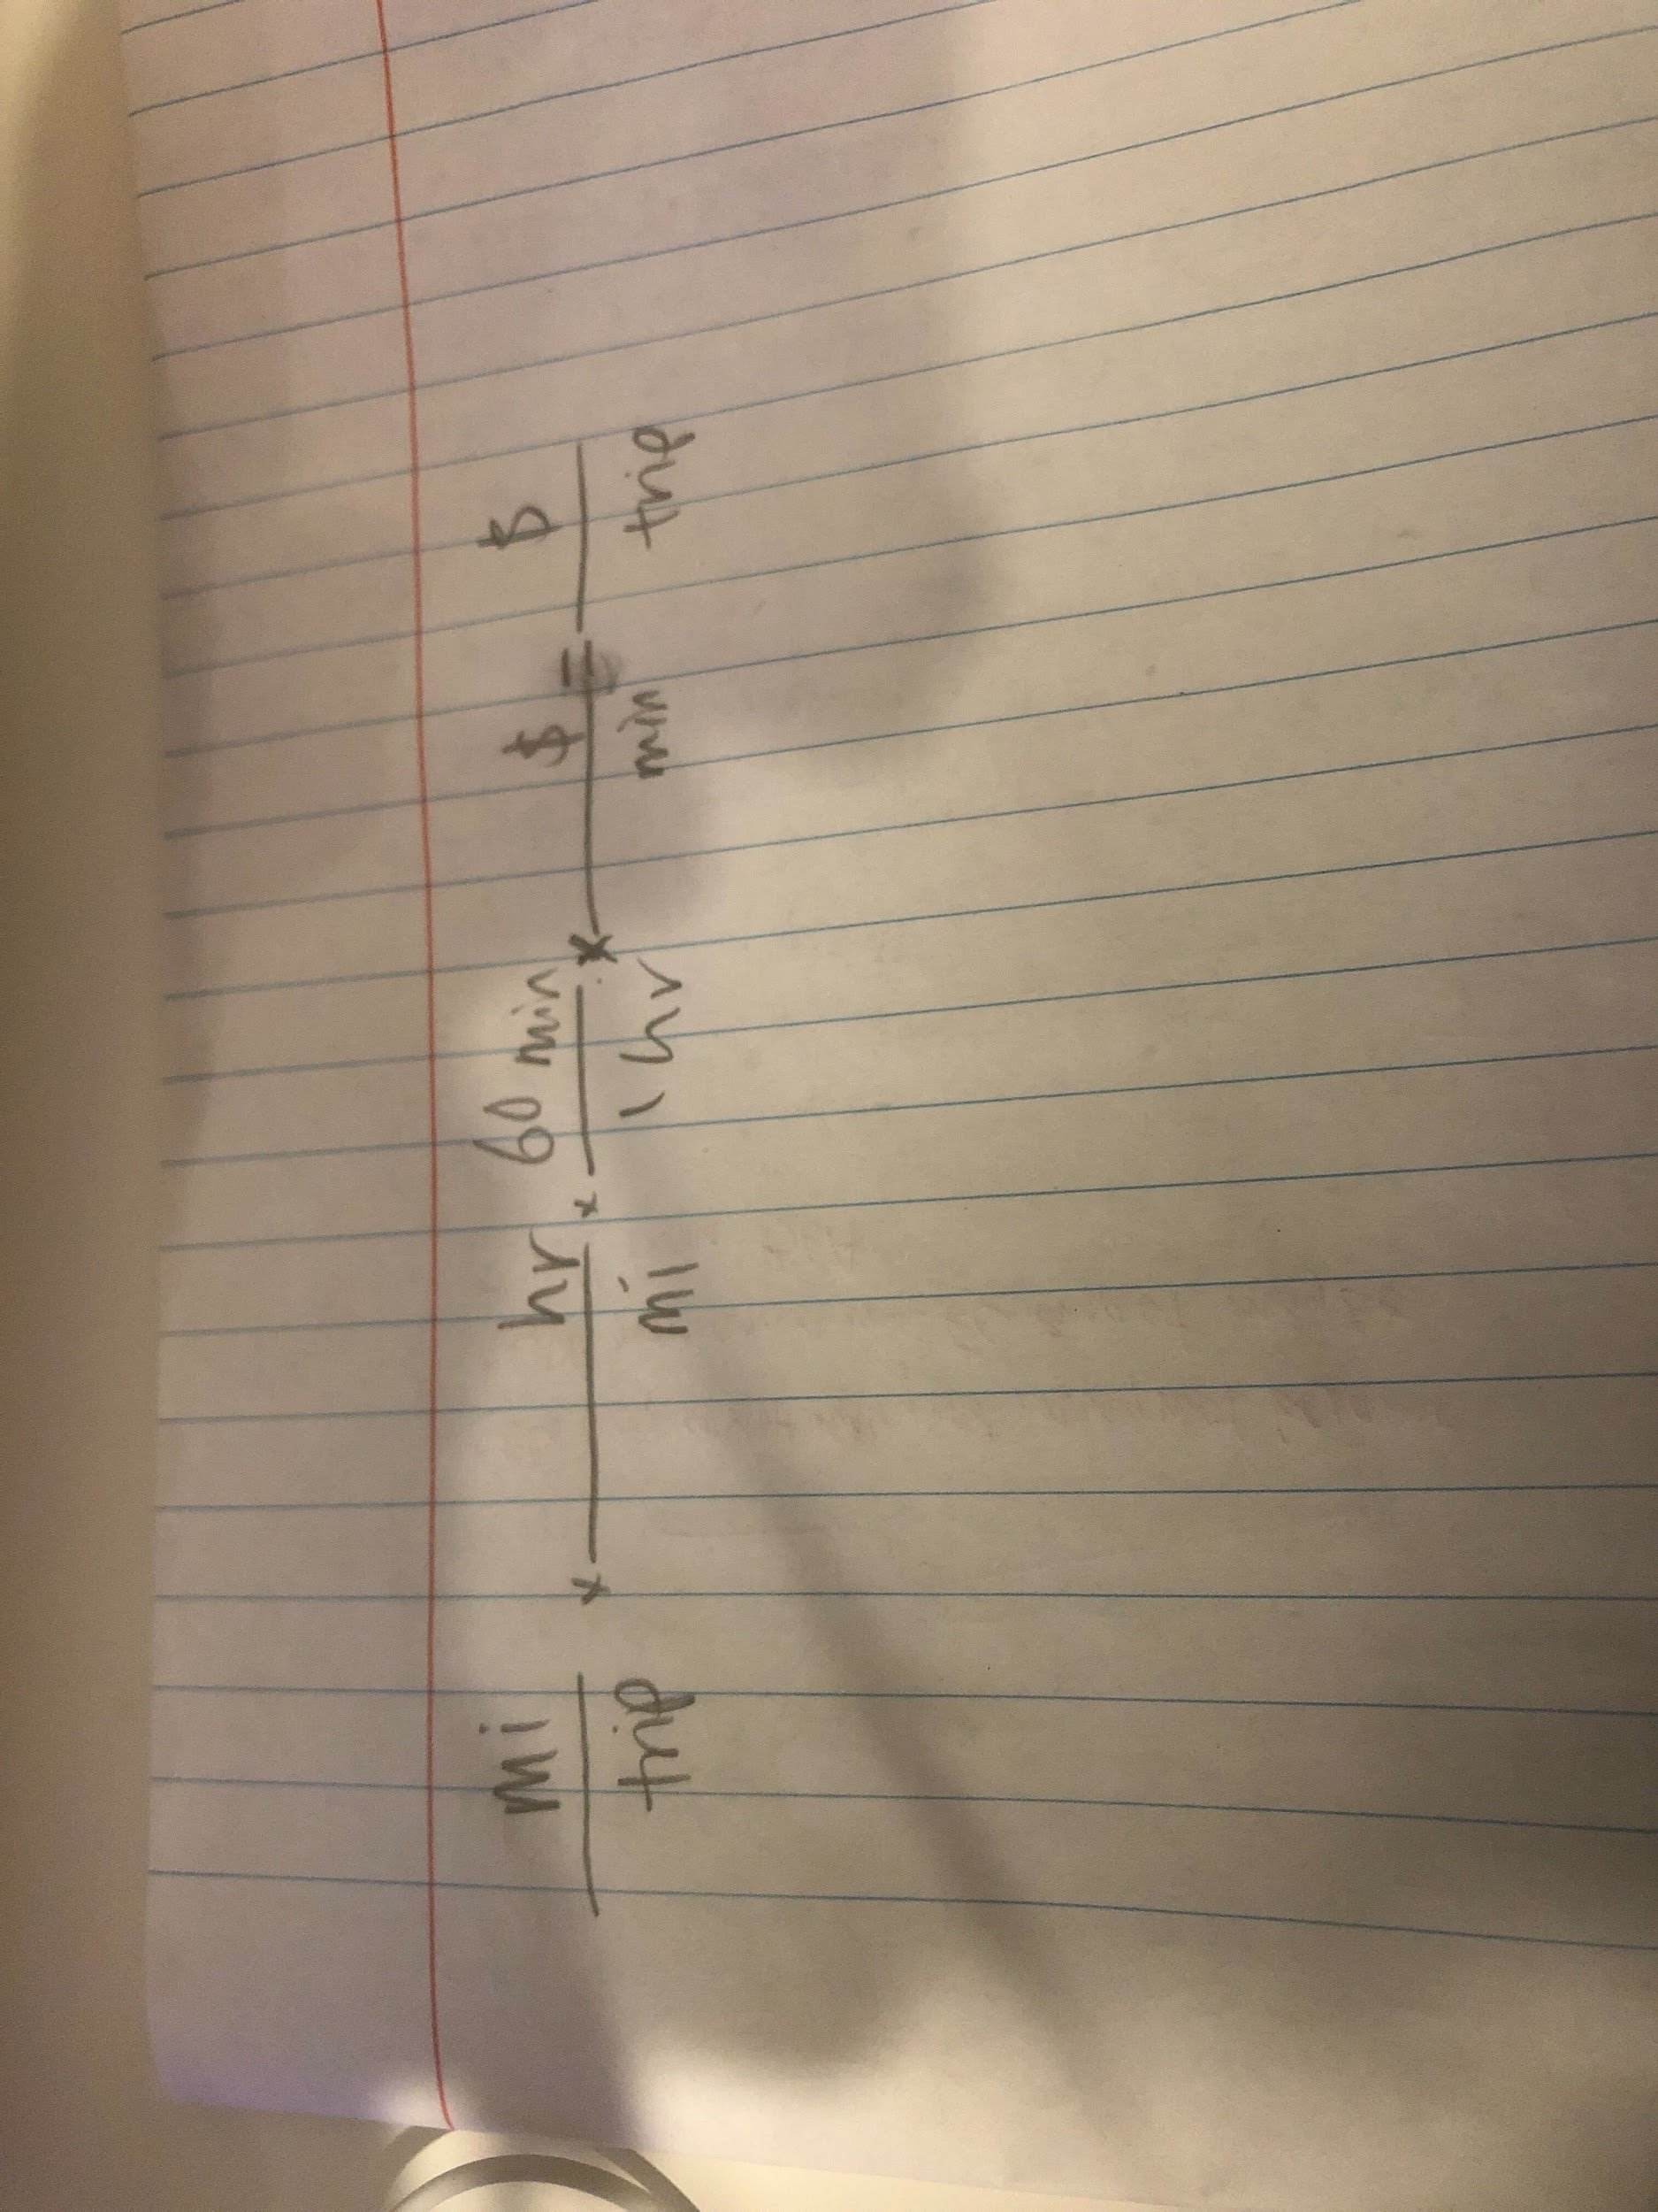
 |  |  |  | Avg Time | Avg Price/min
 |  | LA |  | 7.87 | $0.50 | 0.49 | Bird
 |  | Nick's Times | Abraham's Times |  |  | 0.53 | Lime
 |  | 9 | 15 |  | Avg Cost/Trip + Unlocking | 0.49 | Superpedestrian
 |  | 10 | 14 |  | $4.93 | 0.49 | Wheels
 |  | 4 | 9
 |  | 8 | 11
 |  | 9 | 3
 |  | 5 | 12
 |  | 5 | 13
 |  | 5 | 3
 |  | 4 | 3
 |  | 10 | 8
 |  | 9 | 9
 |  | 7 | 10
 |  | 6 | 12
 |  | 4 | 3
 |  | 5 | 16
 |  | 5 | 9
 |  | 6 | 2
 |  | 9 | 11
 |  | 6 | 13
 |  | 5 | 3
 |  | 7 | 11
 |  | 7 | 11
 |  | 6 | 11
 |  | 4 | 12
 |  | 9 | 13
 |  | 6 | 7
 |  | 6 | 4
 |  | 6 | 13
 |  | 8 | 3
 |  | 8 | 10

 |  |  | 7
 |  |  | 7
 |  |  | 13
 |  |  | 15
 |  |  | 12
 |  |  | 5
 |  |  | 5
 |  |  | 19
 |  |  | 3
 |  |  | 10
 |  |  | 13

Scatterplot of Trip Cost
 | Step 1: Copy speed, distance/trip, and price data from Input sheet

Average Price per Trip (with $1 Unlocking Fee) by City
City, State | Number of Operators | Average Price/Trip (w/o unlocking fee) | Avg $/Trip w/ unlocking fee
Atlanta,GA | 3 | 3.54 | 4.54
Austin, TX | 4 | 6.24 | 7.24
Boulder, CO | 1 | 3.13 | 4.13
Denver, CO | 2 | 4.85 | 5.85
Durham, NC | 5 | 5.85 | 6.85
Fayetteville, AR | 2 | 4.11 | 5.11
Fort Collins, CO | 1 | 4.35 | 5.35
Gainesville, FL | 3 | 6.01 | 7.01
Los Angeles, CA | 4 | 3.93 | 4.93
Oakland & Berkeley, CA | 6 | 3.98 | 4.98
Phoenix, AZ | 2 | 6.03 | 7.03
Portland, OR | 3 | 7.20 | 8.20
San Francisco, CA | 3 | 8.76 | 9.76
Santa Monica, CA | 3 | 5.89 | 6.89
Spokane, WA | 1 | 5.15 | 6.15
Tempe, AZ | 4 | 8.51 | 9.51
Washington DC. | 4 | 7.02 | 8.02

